1. Title Page
Basket Analysis

Project Name: Basket Analysis
Date: 8/31/21
Analyst Name: Ashley King

Contents:
Population Flow
Consistency checks
Wrangling steps
Column derivations
Visualizations
Recommendations

Citation:
"The Instacart Online Grocery Shopping Dataset 2017”, Accessed from https://www.instacart.com/datasets/grocery-shopping-2017 on 6/23/21 .

2. Population Flow
Title page

Population flow

Exclusion flag
Condition: max_order < 10
Obervations to be removed: 29630
Final total count of order_products_all: 32404859

Orders_products_combined
Orders_products_merged
Orders_products_all

Total: 32404859
Total:32434489
Total: 32404859

1.) The grey boxes in the first row of the population flow represent the original data sets as they were when you downloaded them. In the Total fields you need to add the count of the rows when you imported the data set into Jupyter.
2.) The second row of boxes (coloured) represents the data sets after you manipulated them, e.g., removed missing values and duplicates. In the Total fields you need to add the count of the rows after conducting these operations. This offers a visual oveview of how the data flows throughout the data consistency checks.
3.) The third row, where also the arrows are coloured, represents the merges you performed between the datasets. In the Total fields you need to add the count of the rows in the merged datasets, so that you end up with the final dataset (in the red box). Keep in mind the final dataset should be without exclusions (based on the exclusion flag).

3. Consistency checks
 |  |  |  | Title page
Consistency checks

Dataset | Missing values | Missing values treatment | Duplicates
orders | 206209 | Know that those are consecutive order. | None
products | 16 | Delete from dateframe | 5
orders_products_prior | None | N/A | None
customers | Names | Deleted Names for privacy reasons | None

4. Wrangling steps
 |  |  |  | Title page
Wrangling steps

Columns dropped | Columns renamed | Columns' type changed | Comment/Reason
1. 'eval_set' from df_orders | 2. 'order_dow' to 'order_day_of_week' | 3. 'order_id' to string | 1. column not necessary for analysis
7. '_merge' from df_cust_prods | 5. 'Surnam' to 'Last Name' in df_cust | 4. 'user_id' to string | 2. 'dow' is not universally known acroynm
8. 'Unamed: 0' from df_cust_prods | 6. 'STATE' to 'State' in df_cust |  | 3. Although 'order_id' is a number, it acts as a name
9. First and last name from df_cust |  |  | 4. Same for 'user_id', yet it reads as object.x
 |  |  | 5. Last name more easily understood
 |  |  | 6. Easier to type for analyst
 |  |  | 7. Column automatically created during merge, unneccessary
 |  |  | 8. Column automatically created during merge, unneccessary
 |  |  | 9. deleted to comply with privacy laws

5. Column derivations
 |  |  |  | Title page

Column derivations and aggregations

In this tab you should add tables below that the frequences of flags/label variables that you produced after deriving them. NB: don't do this for continuous variables, only for flags.
Dataset | New column | Column/s it was derived from | Conditions
Orders-Products merged | price_range_loc | prices | Price greater than or equal to $5 is a Low-range product, between $5-15 is a Mid-range product and above $15 is a High-range product.
Orders-Products merged | busiest_day | order_day_of_week | Saturday & Sunday labeled 'busiest day'. Tuesday & Wednesday labeled 'slowest day'. Rest of week labeled 'regular day'.
Orders-Products merged | busiest_period_of_day | order_hour_of_day | 9:00 PM -2:00AM are labeled 'Fewest orders'. 7:00-8:00AM & 6-8:00PM labeled 'Average orders'. 9:00AM-5:00PM labeled 'Most orders'.
Orders-Products merged | max_order | user_id/ order_number | Highlights the total amount of orders from each customer.
Orders-Products merged | loyalty_flag | max_order | More than 40 orders labeled 'Loyal customer'. Between 40 and 10 orders labeled 'Regular customer'. Less than 10 orders labeled 'New customer'.
Orders-Products merged | spending | user_id/ prices | If mean price of product purchased by customer is less than $10, labeled as 'Low spender'. Mean price of product greater than or equal to $10 customer labeled as 'High spender'.
Orders-Products merged | frequency | user_id/ days_since_prior_order | If median days since prior order is less than or equal to 10 the customer is labeled 'Frequent customer'. Between 10 and 20 customer labeled 'Regular customer'. Greater than 20 customer labeled 'Non-frequent customer'.
Orders-Products All | regions | State | Create four geographical regions to separate customer activity.
Orders-Products All | activity | max_order | Exclude customers with less than five orders from study.
Orders-Products All | income_level | income | Customer with income of less than or equal to $50,000 labeled as 'low_income'. Income between $50,000 & $100,000 labeled 'mid_income'. Greater than $100,000 labeled 'high_income'.

6. Visualizations
 |  | Title page

Visualisations

In this tab you should include all the visualtions from Exercises 4.9 and 4.10, alongside the questions from the project brief that they answer. Include any commentary on the relationship between different variables.

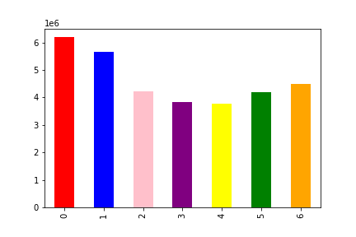

 | This graph illustrates the busiest days of the week based on the amount of orders received by InstaCart.
 | Saturday and Sunday see the most customer activity.

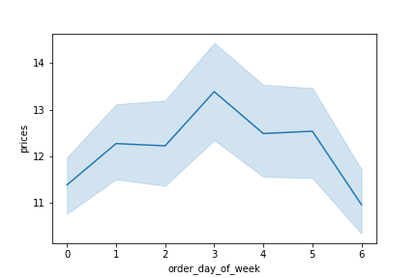

 | This line graph uses a sample of the data to illustrate the amount of money spent on each day.
 | Tuesday, day 3, is the highest spending day at InstaCart. While spending tapers off on the weekends.

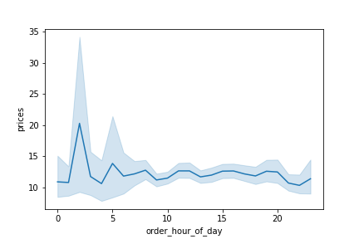

 | This graph shows how much money is spent at certain times of the day.
 | Prices peak sharply at 3:00 AM and peak again at 5:00 AM.
 | They rise again at noon wnd remain fairly constant until dropping at 9:00 PM.

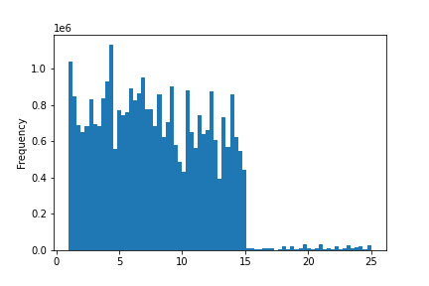

 | This histogram illustrates the frequency of product prices in Instacart's inventory.
 | Product pricing is most common under the five dollar category, then decreases in
 | the next five dollar rangeand looks to step down again in the next five dollar range.
 | There is a major decrease in product price above $15.

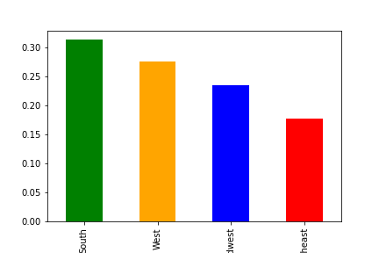

 | This bar graph depicts the amount spent at Instacart by region.
 | As you can see it matches with the overall population of each region.

South West Midwest Northeast

 | This bar graph depicts the number of customers at Instacart by region.

South West Midwest Northeast

7. Recommendations
 |  |  |  |  |  |  |  |  |  | Title page

Recommendations

In this tab you should include any recommendations you would made to Instcart in terms of their marketing strategy based on the questions posed in the brief. Every key question has been covered in the Tasks of the Exercises - here you need to add an item - a visualisation or table/crosstable that is showing the answer in the data, acompanied by a comment from you. Please, list the questions below and add the answer underneath.

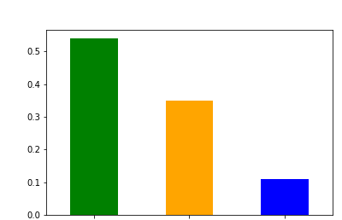
Question
How often to customers return to Instacart?

 | Regular Customer Loyal Customer New Customer

 | Most customers have between 10 and 40 orders placed through Instacart, deeming them as
 | Regular customers. Approxamitelty one third of customers are loyal to the brand as they have placed
 | over 40 orders. Customer retention is good since the smallest percentage of customers have
 | placed less than ten orders.

Are there differences in customers ordering habits based on loyalty status?

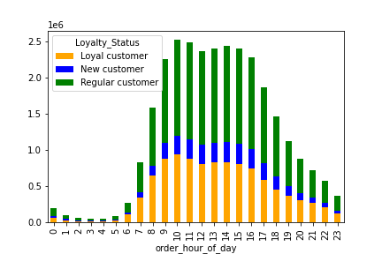
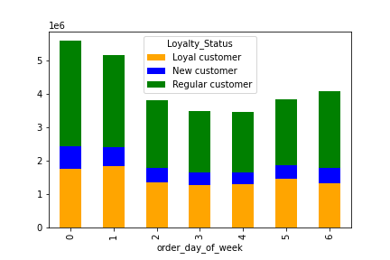

 | This graph shows the hourly ordering habits of customers based on loyalty status. | This graph shows the daily ordering habits broken down by customer loyalty status.
 | Orders per an hour remain mostly consistent for the resepective loyalty status. | Loyal customers shop more on Sundays than Saturdays, which is opposite the other groups.
 | Regular customers are placing an increased amount of orders during late night
 | and early morning hours.
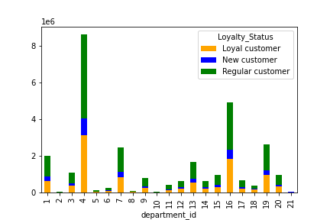

 |  |  | 1 | Frozen | 16 | Dairy/ Eggs
 |  |  | 2 | Other | 17 | Household
 |  |  | 3 | Bakery | 18 | Babies
 |  |  | 4 | Produce | 19 | Snacks
 |  |  | 5 | Alcohol | 20 | Deli
 |  |  | 6 | International | 21 | Missing
 |  |  | 7 | Beverages
 |  |  | 8 | Pets
 |  |  | 9 | Dry goods/ Pasta
 |  |  | 10 | Bulk
 |  |  | 11 | Personal Care
 |  |  | 12 | Meats/ Seafood
 |  |  | 13 | Pantry
 |  |  | 14 | Breakfast
 |  |  | 15 | Canned goods

 |  |  | loyalty_flag | Loyal customer | New customer | Regular customer | % Loyal | % New | %Regular
 |  |  | 1 | 609460 | 250628 | 1140000 | 30% | 13% | 57%
 |  |  | 2 | 10715 | 4027 | 17857 | 33% | 12% | 55%
 |  |  | 3 | 379873 | 115923 | 568851 | 36% | 11% | 53%
 | This is a chart of the 21 different departments that Instacart has, department names to the side, |  | 4 | 3147376 | 900269 | 4595293 | 36% | 10% | 53%
 | and the amount each loyalty group purchases of select department. |  | 5 | 38723 | 19147 | 77275 | 29% | 14% | 57%
 | Regular customers are responsible for 48% to 59% of the purchases from each department; |  | 6 | 78394 | 29599 | 133756 | 32% | 12% | 55%
 | mostly in the mid 50% range. Loyal customers take approximately 30% of product from each department. |  | 7 | 855017 | 267473 | 1320235 | 35% | 11% | 54%
 | Loyal customers bought 43% of bulk items and 42% baby items. Regular customers bought 59% of |  | 8 | 25469 | 10937 | 51711 | 29% | 12% | 59%
 | the pet supplies. New customers purchased 14% of the alcohol. |  | 9 | 242580 | 97266 | 434720 | 31% | 13% | 56%
 |  |  | 10 | 13834 | 2869 | 15468 | 43% | 9% | 48%
 |  |  | 11 | 123365 | 50816 | 225499 | 31% | 13% | 56%
 |  |  | 12 | 202480 | 76005 | 359837 | 32% | 12% | 56%
 |  |  | 13 | 560402 | 201703 | 922727 | 33% | 12% | 55%
 |  |  | 14 | 221577 | 72066 | 343094 | 35% | 11% | 54%
 |  |  | 15 | 294594 | 122109 | 537284 | 31% | 13% | 56%
 |  |  | 16 | 1830707 | 504120 | 2596419 | 37% | 10% | 53%
 |  |  | 17 | 196873 | 86321 | 374867 | 30% | 13% | 57%
 |  |  | 18 | 167108 | 30771 | 196576 | 42% | 8% | 50%
 |  |  | 19 | 943150 | 279962 | 1410149 | 36% | 11% | 54%
 |  |  | 20 | 324046 | 106929 | 521453 | 34% | 11% | 55%
 |  |  | 21 | 18350 | 8491 | 33705 | 30% | 14% | 56%

Are there differences in customer ordering habits based on region?
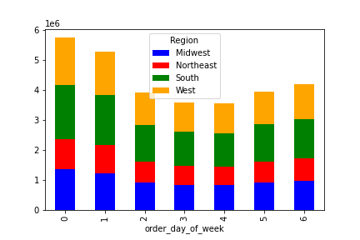

 | Weekly shopping habits by region shows a fairly consistent trend. The Southern and
 | Midwestern customers shop the most on Saturday. This might be due to religious
 | values so they can spend time with their family on Sunday.

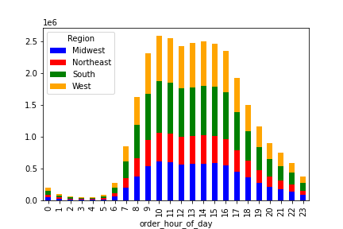
 |  |  |  | This graph combines loyalty status with regionality. The breakdown is even throughout.

 | Orders throughout the day remain consistent per region.

 | Is there a connection between age and family status in terms of ordering habits?

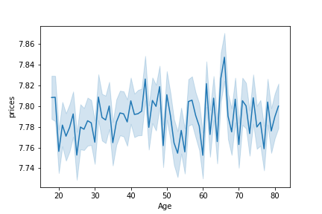

 |  |  |  | spending_flag | divorced/widowed | living with family | married | single
 |  |  |  | High spender | 49316 | 27295 | 418090 | 92573
 |  |  |  | Low spender | 2528564 | 1416786 | 20770040 | 4868760
 |  |  |  | Total | 2577880 | 1444081 | 21188130 | 4961333

 |  |  |  | There is a definite connection between age and family status in terms of ordering habits. The table above
 |  |  |  | and on the next sheet that the age group 18-21 make up the entire living with family group, which are mostly
 |  |  |  | low spenders.

 | This graph illustrates how age affects spending habits at Instacart. There is an interesting drop in money
 | spent at the age of 20. Spending ebbs and flows in an upward trend on the way up to 45, then begins to
 | drop then bottom out at 55 years old, a quick and sharp rise for the next couple years then bottom out
 | again at 60. Overall spending is highest at the age of 65.
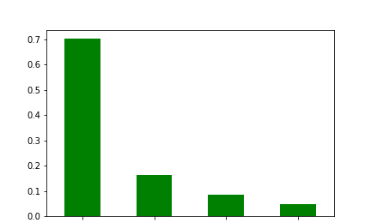

 | Married Single divorced/widowed living w/ family

 | This bar graph shows that most of the money spent at Instacart is from married patrons. This
 | is due to the fact that there are 21 million married members, which is more than four times the
 | next highest family status, single.

 | What different classifications does the demographic information suggest?

 | Income Level
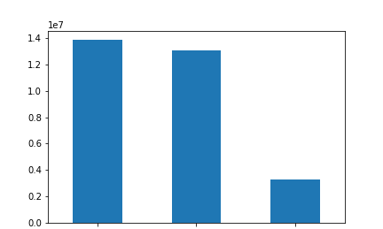
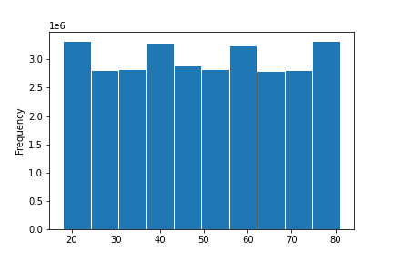

 | high income medium income low income

 | Based on income levels of over $100,000 between $50,000 - $100,000, and under $50,000
 | the Instacart population is broken into three distinct groups. Most of the advertising should |  |  | This is a graph represents the frequency of six-year age groups of Instacart customers.
 | be geared towards people making above $50,000 in order to maximize profit. |  |  | There are definite peaks for the early 20s, late 30s- early 40s, late 50s to early 60s and late 70s.
 |  |  |  | Table 4 shows the average age consumer for each department, they all hover at 39 years old.

 | Number of dependents

 | Distribution of goods is mostly equal among all family sizes except for a few categories.
 | Those with three dependants buys the most baby care goods.
 | Two dependant customers buy the most alcohol. The most pet supplies are purchased
 | by families with one dependant. Although these are small categories, they should be capitalized on to
 | garner customer satisfaction from these groups.

 | Differences in ordering habits for different types of customers?

 | Analyzing chart 2 on the next sheet shows the average order price with age reveals that each age spends within 5% of each other.

 | Chart 3 shows the average frequency for each age. Members in their early 30s place the most orders on average, likely due
 | to the fact that they are busy with their career and young family. This is a theme that has presented itself in this analysis.
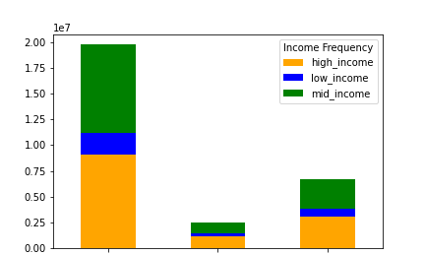

 | Frequent customer Non-frequent Regular customer

 | This stacked bar graph depicts the frequency that different income level customers order from
 | Instacart. High and middle income users are 69% and 23% frequent and regular visiting customers,
 | respectively. Low income customers have the smalles t percentage of frequency with 65%, and
 | the largest percent of non-frequency with 10%. If Instacart is interested in broadening their
 | customer base then they should look into marketing price-point items to these customers.

